Estimation of Revenue
Digital Economy Sector - India and Karnataka
2021-22 Data |  |  |  |  |  |  |  |  |  |  | 1.3 |  |  |  |  |  |  |  |  |  |  | 0.08
Total Revenue India level |  |  |  |  |  |  |  | Projected estimation of values (2022-2030) |  | 5.2 | 24.314883299 | >> For ESDM |  |  |  |  |  |  |  |  |  | 0.2 | 0.12 | 150
In USD Bn $ |  |  |  |  |  |  |  |  |  |  |  |  |  |  |  |  |  |  |  |  |  |  |  |  |  |  |  |  |  |  |  |  |  |  |  |  | Karnataka value for startups
Total Revenue | India | Karnataka |  | Beyond Bengaluru |  | Bangalore |  | (In Bn $ USD) | 2022-23 |  |  | 2023-24 |  |  | 2024-25 |  |  | 2025-26 |  |  | 2026-27 |  |  | 2027-28 |  |  | 2028-29 |  |  | 2029-30 |  |  | 2030-31 |  |  |  | 2030-31 | 2031-32 | 2032-33 | FY 33-34 | FY 34-35 | FY 35-36 | FY 36-37 | FY 37-38 | FY 38-39 | FY 39-40 | FY 40-41 | FY 41-42 | FY 42-43 | FY 43-44 | FY 44-45 | FY 45-46 | FY 46-47
 |  |  |  |  |  |  |  | Revenue | India | Karnataka | Beyond Bengaluru | India | Karnataka | Beyond Bengaluru | India | Karnataka | Beyond Bengaluru | India | Karnataka | Beyond Bengaluru | India | Karnataka | Beyond Bengaluru | India | Karnataka | Beyond Bengaluru | India | Karnataka | Beyond Bengaluru | India | Karnataka | Beyond Bengaluru | India | Karnataka | Beyond Bengaluru
IT Exports | 178 | 67.64 |  | 2.0 |  | 65.6 |  | IT Exports | 199.36 | 75.7568 | 2.5 | 223.28 | 84.85 | 3.13 | 250.08 | 95.03 | 3.91 | 280.09 | 106.43 | 4.88 | 308.10 | 117.08 | 5.77 | 338.90 | 146.35 | 6.82 | 372.80 | 182.93 | 8.06 | 410.07 | 228.66 | 9.53 | 451.08 | 251.53 | 10.96 | IT Exports | 240 | 276 | 318 | 365 | 420 | 483 | 556 | 639 | 735 | 845 | 972 | 1118 | 1285 | 1478 | 1700 | 1955 | 2248
IT Domestic | 49 | 14.7 |  |  |  | 14.7 |  | IT Domestic | 56.35 | 16.905 | 0.0 | 64.80 | 19.44 | 0.00 | 74.52 | 22.36 | 0.00 | 85.70 | 25.71 | 0.00 | 95.99 | 28.80 | 0.00 | 107.50 | 35.99 | 0.00 | 120.40 | 44.99 | 0.00 | 134.85 | 56.24 | 0.00 | 151.03 | 62.99 | 0.00 | IT Domestic | 73 | 84 | 97 | 111 | 128 | 147 | 169 | 195 | 224 | 258 | 296 | 341 | 392 | 451 | 518 | 596 | 686
ESDM | 89.89 | 17.98 |  | 0.9 |  | 17.1 |  | ESDM | 121.57 | 24.31 | 1.2 | 157.41 | 31.48 | 1.9 | 200.47 | 40.09 | 2.0 | 314.92 | 63.70 | 3.2 | 356.44 | 72.19 | 3.7 | 403.67 | 81.95 | 4.2 | 451.85 | 92.19 | 4.61 | 512.25 | 105.18 | 5.26 | 581.90 | 120.48 | 6.02 | ESDM | 120 | 135 | 151 | 169 | 190 | 212 | 238 | 266 | 298 | 334 | 374 | 419 | 469 | 526 | 589 | 659 | 739
Start Ups | 10 | 4 |  | 0.08 |  | 3.9 |  | Start Up | 13 | 5.2 | 0.10 | 16.90 | 6.76 | 0.1 | 21.97 | 8.79 | 0.1 | 28.56 | 11.42 | 0.20 | 34.27 | 13.71 | 0.2 | 41.13 | 17.14 | 0.3 | 49.35 | 21.42 | 0.3 | 59.22 | 26.78 | 0.47 | 71.07 | 32.13 | 0.5 | Startups | 32 | 39 | 46 | 56 | 67 | 80 | 96 | 115 | 138 | 166 | 199 | 239 | 286 | 344 | 413 | 495 | 594
Other sub-sectors of digital economy: |  |  |  |  |  |  |  | Other sub-sectors of digital economy: |  |  |  |  |  |  |  |  |  |  |  |  |  |  |  |  |  |  |  |  |  |  |  |  |  |  |  |  | 4819668.75 | 5783602.5 | 6940323 | 8328387.6 | 9994065.12 | 11992878.144 | 14391453.773 | 17269744.527 | 20723693.433 | 24868432.119 | 29842118.543 | 35810542.252 | 42972650.702 | 51567180.843 | 61880617.011 | 74256740.414 | 89108088.496
Digital Communication Services | 23 | 1.50 |  | 0.075 |  | 1.42 |  | Digital Communication Services | 28.20 | 1.85 | 0.092 | 34.58 | 2.28 | 0.114 | 42.40 | 2.82 | 0.141 | 52.00 | 3.49 | 0.174 | 57.20 | 4.01 | 0.201 | 62.92 | 4.61 | 0.231 | 69.21 | 5.30 | 0.265 | 76.13 | 6.10 | 0.305 | 83.74 | 7.02 | 0.351
Government e-Market place | 13 | 1.30 |  | 0.065 |  | 1.24 |  | Government e-Market place | 15.31 | 1.54 | 0.077 | 18.03 | 1.83 | 0.092 | 21.23 | 2.18 | 0.109 | 25.00 | 2.59 | 0.129 | 27.50 | 2.98 | 0.149 | 30.25 | 3.42 | 0.171 | 33.27 | 3.94 | 0.197 | 36.60 | 4.53 | 0.226 | 40.26 | 5.21 | 0.260 | 28 |  |  |  |  |  |  |  |  |  |  |  |  |  |  |  |  | 1000000
Direct Benefit Transfer | 5.66 | 0.85 |  | 0.042 |  | 0.81 |  | Direct Benefit Transfer | 6.85 | 1.06 | 0.053 | 8.29 | 1.32 | 0.066 | 10.03 | 1.64 | 0.082 | 12.13 | 2.04 | 0.102 | 13.35 | 2.35 | 0.117 | 14.68 | 2.70 | 0.135 | 16.15 | 3.10 | 0.155 | 17.76 | 3.57 | 0.178 | 19.54 | 4.10 | 0.205 | 4264134.4512
Tech-enabled healthcare | 1 | 0.08 |  | 0.004 |  | 0.08 |  | Tech-enabled healthcare | 1.50 | 0.10 | 0.005 | 2.24 | 0.12 | 0.006 | 3.34 | 0.14 | 0.007 | 5.00 | 0.17 | 0.008 | 5.49 | 0.19 | 0.010 | 6.04 | 0.22 | 0.011 | 6.65 | 0.25 | 0.013 | 7.31 | 0.29 | 0.015 | 8.05 | 0.33 | 0.017
Customizable education platform for students | 10 | 0.50 |  | 0.025 |  | 0.48 |  | Customizable education platform for students | 13.68 | 0.70 | 0.035 | 18.71 | 0.98 | 0.049 | 25.59 | 1.37 | 0.069 | 35.00 | 1.92 | 0.096 | 38.50 | 2.21 | 0.110 | 42.35 | 2.54 | 0.127 | 46.59 | 2.92 | 0.146 | 51.25 | 3.36 | 0.168 | 56.37 | 3.86 | 0.193
Digitally enabled power distribution | 1 | 0.08 |  | 0.004 |  | 0.08 |  | Digitally enabled power distribution | 1.82 | 0.16 | 0.008 | 3.31 | 0.31 | 0.015 | 6.03 | 0.60 | 0.030 | 10.97 | 1.18 | 0.059 | 12.07 | 1.36 | 0.068 | 13.28 | 1.56 | 0.078 | 14.60 | 1.80 | 0.090 | 16.06 | 2.06 | 0.103 | 17.67 | 2.37 | 0.119
Smart grids with distributed generation | 0.25 | 0.02 |  | 0.001 |  | 0.02 |  | Smart grids with distributed generation | 0.35 | 0.03 | 0.001 | 0.49 | 0.04 | 0.002 | 0.69 | 0.05 | 0.003 | 0.96 | 0.08 | 0.004 | 1.06 | 0.09 | 0.004 | 1.16 | 0.10 | 0.005 | 1.28 | 0.12 | 0.006 | 1.41 | 0.13 | 0.007 | 1.55 | 0.15 | 0.008 |  |  |  |  | IT Exports | 2248
Digital payments | 5 | 0.50 |  | 0.025 |  | 0.48 |  | Digital payments | 8.13 | 0.73 | 0.036 | 13.23 | 1.05 | 0.053 | 21.52 | 1.52 | 0.076 | 35.00 | 2.21 | 0.111 | 38.50 | 2.54 | 0.127 | 42.35 | 2.92 | 0.146 | 46.59 | 3.36 | 0.168 | 51.25 | 3.87 | 0.193 | 56.37 | 4.45 | 0.222 |  |  |  |  | IT Domestic | 686
Flow based lending and advanced credit (MSME's) | 10 | 0.60 |  | 0.030 |  | 0.57 |  | Flow based lending and advanced credit (MSME's) | 18.00 | 1.02 | 0.051 | 32.40 | 1.73 | 0.087 | 58.32 | 2.95 | 0.147 | 104.98 | 5.01 | 0.251 | 115.47 | 5.76 | 0.288 | 127.02 | 6.63 | 0.331 | 139.72 | 7.62 | 0.381 | 153.70 | 8.76 | 0.438 | 169.06 | 10.08 | 0.504 |  |  |  |  | ESDM | 739
Digital Farmer financing and insurance payouts | 1 | 0.13 |  | 0.007 |  | 0.12 |  | Digital Farmer financing and insurance payouts | 1.88 | 0.23 | 0.011 | 3.53 | 0.40 | 0.020 | 6.64 | 0.70 | 0.035 | 12.49 | 1.22 | 0.061 | 13.74 | 1.40 | 0.070 | 15.12 | 1.61 | 0.081 | 16.63 | 1.85 | 0.093 | 18.29 | 2.13 | 0.107 | 20.12 | 2.45 | 0.123 |  |  |  |  | Startups | 594
Precision agriculture | 1 | 0.09 |  | 0.005 |  | 0.09 |  | Precision agriculture | 2.18 | 0.17 | 0.008 | 4.75 | 0.31 | 0.015 | 10.36 | 0.57 | 0.028 | 22.59 | 1.05 | 0.053 | 24.84 | 1.21 | 0.061 | 27.33 | 1.39 | 0.070 | 30.06 | 1.60 | 0.080 | 33.07 | 1.84 | 0.092 | 36.37 | 2.12 | 0.106
Universal agricultural marketplace | 1 | 0.06 |  | 0.003 |  | 0.06 |  | Universal agricultural marketplace | 2.18 | 0.13 | 0.006 | 4.75 | 0.26 | 0.013 | 10.36 | 0.56 | 0.028 | 22.59 | 1.17 | 0.058 | 24.84 | 1.34 | 0.067 | 27.33 | 1.54 | 0.077 | 30.06 | 1.77 | 0.089 | 33.07 | 2.04 | 0.102 | 36.37 | 2.35 | 0.117
Online talent platforms | 1 | 0.05 |  | 0.003 |  | 0.05 |  | Online talent platforms | 2.87 | 0.06 | 0.003 | 8.24 | 0.08 | 0.004 | 23.64 | 0.09 | 0.005 | 67.85 | 0.12 | 0.006 | 74.63 | 0.13 | 0.007 | 82.09 | 0.15 | 0.008 | 90.30 | 0.18 | 0.009 | 99.33 | 0.20 | 0.010 | 109.27 | 0.23 | 0.012
End to end digital supply chain - Traditional Retail | 1 | 0.08 |  | 0.004 |  | 0.08 |  | End to end digital supply chain - Traditional Retail | 1.68 | 0.17 | 0.008 | 2.83 | 0.35 | 0.018 | 4.76 | 0.74 | 0.037 | 8.00 | 1.56 | 0.078 | 8.80 | 1.79 | 0.089 | 9.68 | 2.06 | 0.103 | 10.65 | 2.37 | 0.118 | 11.71 | 2.72 | 0.136 | 12.88 | 3.13 | 0.156
End to end digital supply chain - E-Commerce | 1 | 0.08 |  | 0.004 |  | 0.08 |  | End to end digital supply chain - E-Commerce | 2.05 | 0.17 | 0.008 | 4.20 | 0.35 | 0.018 | 8.62 | 0.74 | 0.037 | 17.66 | 1.56 | 0.078 | 19.43 | 1.79 | 0.089 | 21.37 | 2.06 | 0.103 | 23.51 | 2.37 | 0.118 | 25.86 | 2.72 | 0.136 | 28.44 | 3.13 | 0.156
Efficient transport and logistics | 1 | 0.08 |  | 0.004 |  | 0.08 |  | Efficient transport and logistics | 2.17 | 0.19 | 0.010 | 4.69 | 0.46 | 0.023 | 10.16 | 1.12 | 0.056 | 22.00 | 2.70 | 0.135 | 24.20 | 3.10 | 0.155 | 26.62 | 3.57 | 0.178 | 29.28 | 4.10 | 0.205 | 32.21 | 4.72 | 0.236 | 35.43 | 5.43 | 0.271
Business digitization and IoT based analytics | 1 | 0.09 |  | 0.005 |  | 0.09 |  | Business digitization and IoT based analytics | 3.27 | 0.27 | 0.014 | 10.69 | 0.81 | 0.041 | 34.97 | 2.43 | 0.122 | 114.34 | 7.29 | 0.365 | 125.77 | 8.38 | 0.419 | 138.35 | 9.64 | 0.482 | 152.18 | 11.09 | 0.554 | 167.40 | 12.75 | 0.638 | 184.14 | 14.66 | 0.733
Total | 403.80 | 110.40 | 0.00 | 3.20 | 0.00 | 107.12 |  | Total | 502.40 | 130.73 | 4.14 | 637.36 | 155.22 | 5.78 | 845.68 | 186.50 | 7.06 | 1277.81 | 242.61 | 9.88 | 1420.19 | 272.41 | 11.73 | 1579.14 | 328.16 | 13.65 | 1751.13 | 395.29 | 15.66 | 1948.81 | 478.68 | 17.88 | 2170.73 | 538.21 | 21.08

Option 1 - Considering employment @ Growth assumptions as per revenue (At existing growth percentages considered for revenue estimation) |  |  |  |  |  |  |  | (In Lakhs) | 2022-23 |  |  | 2023-24 |  |  | 2024-25 |  |  | 2025-26 |  |  | 2026-27 |  |  | 2027-28 |  |  | 2028-29 |  |  | 2029-30 |  |  | 2030-31
2021-22 Data |  |  |  |  |  |  |  | Employment | India | Karnataka | Beyond Bengaluru | India | Karnataka | Beyond Bengaluru | India | Karnataka | Beyond Bengaluru | India | Karnataka | Beyond Bengaluru | India | Karnataka | Beyond Bengaluru | India | Karnataka | Beyond Bengaluru | India | Karnataka | Beyond Bengaluru | India | Karnataka | Beyond Bengaluru | India | Karnataka | Beyond Bengaluru
Total Employment (Direct) | In Millions | In Lakhs |  | Karnataka (In Lakhs) |  | Beyond Bengaluru | Only Bangalore | IT Exports | 5600000 | 1489600 | 120000 | 6272000 | 1668352 | 144000 | 7024640 | 1868554.24 | 172800 | 7867597 | 2092780.7488 | 207360 | 8654356 | 2302058.8237 | 238464 | 9519792 | 2532264.706 | 274233.6 | 10471771 | 2785491.1767 | 315368.64 | 11518948 | 3064040.2943 | 362673.936 | 12670843 | 3370444.3237 | 417075.0264
 |  |  |  |  |  |  |  | IT Domestic | 1120000 | 324800 | 60000 | 1254400 | 363776 | 72000 | 1404928 | 407429.12 | 86400 | 1573519 | 456320.6144 | 103680 | 1730871 | 501952.67584 | 119232 | 1903958 | 552147.94342 | 137116.8 | 2094354 | 607362.73777 | 157684.32 | 2303790 | 668099.01154 | 181336.968 | 2534169 | 734908.9127 | 208537.5132
India IT Exports | 5 | 5000000 |  | 1330000 |  | 100000 | 1230000 | ESDM | 805000 | 161000 | 72000 | 925750 | 185150 | 86400 | 1064612.5 | 212922.5 | 103680 | 1224304 | 244860.875 | 124416 | 1371221 | 274244.18 | 143078.4 | 1535767 | 307153.4816 | 164540.16 | 1720059 | 344011.89939 | 189221.184 | 1926467 | 385293.32732 | 217604.3616 | 2157643 | 431528.5266 | 250245.01584
India IT Domestic | 1 | 1000000 |  | 290000 |  | 50000 | 240000 | Start Up | 1950000 | 546000 | 120000 | 2730000 | 764400 | 144000 | 3822000 | 1070160 | 172800 | 5350800 | 1498224 | 207360 | 6688500 | 1872780 | 238464 | 8360625 | 2340975 | 274233.6 | 10450781 | 2926218.75 | 315368.64 | 13063477 | 3657773.4375 | 362673.936 | 16329346 | 4572216.7969 | 417075.0264
India ESDM | 0.7 | 700000 |  | 140000 |  | 60000 | 80000 | Total | 9475000 | 2521400 | 372000 | 11182150 | 2981678 | 446400 | 13316180.5 | 3559066 | 535680 | 16016221 | 4292186 | 642816 | 18444949 | 4951036 | 739238.4 | 21320143 | 5732541 | 850124 | 24736966 | 6663085 | 977643 | 28812681 | 7775206 | 1124289 | 33692000 | 9109098.5599 | 1292933
India Start Up | 1.5 | 1500000 |  | 420000 |  | 100000 | 320000 | Total in Lakhs | 94.8 | 25.2 | 3.7 | 111.8 | 29.8 | 4.5 | 133.2 | 35.6 | 5.4 | 160.2 | 42.9 | 6.4 | 184.4 | 49.5 | 7.4 | 213.2 | 57.3 | 8.5 | 247.4 | 66.6 | 9.8 | 288.1 | 77.8 | 11.2 | 336.9 | 91.1 | 12.9

Total | 8.2 | 8200000 |  | 2180000 |  | 310000 | 1870000 |  |  | 0.06385341477
 |  |  |  |  |  |  |  |  |  | 0.21654636313

Growth assumptions made for the calculation (Revenue)

 |  | Till the year 2025 | From the year 2025-2030
IT Exports and IT Domestic |  | 12% | 10%
Startups (India and Karnataka) |  | 40% | 25%
ESDM (India and Karnataka) |  | 15% | 12%
Beyond Bengaluru |  | 20% | 15%

Option 2 (CAGR at 12%) - Considering employment @ same growth rate of 12% for IT, ESDM and Startups

2021-22 Data |  |  |  |  |  |  |  | Forecast 2022 onwards
Total Employment | In Millions | In Lakhs |  | Karnataka (In Lakhs) |  | Beyond Bengaluru | Only Bangalore | (In Lakhs) | 2022-23 |  |  | 2023-24 |  |  | 2024-25 |  |  | 2025-26 |  |  | 2026-27 |  |  | 2027-28 |  |  | 2028-29 |  |  | 2029-30 |  |  | 2030-31
 |  |  |  |  |  |  |  | Employment | India | Karnataka | Beyond Bengaluru | India | Karnataka | Beyond Bengaluru | India | Karnataka | Beyond Bengaluru | India | Karnataka | Beyond Bengaluru | India | Karnataka | Beyond Bengaluru | India | Karnataka | Beyond Bengaluru | India | Karnataka | Beyond Bengaluru | India | Karnataka | Beyond Bengaluru | India | Karnataka | Beyond Bengaluru
India IT Exports | 5 | 5000000 |  | 1900000 |  | 100000 | 1800000 | IT Exports | 5600000 | 2128000 | 112000 | 6272000 | 2383360 | 125440 | 7024640 | 2669363 | 140493 | 7867597 | 2989687 | 157352 | 8811708 | 3348449 | 176234 | 9869113 | 3750263 | 197382 | 11053407 | 4200295 | 221068 | 12379816 | 4704330 | 247596 | 13865394 | 5268850 | 277308
India IT Domestic | 1 | 1000000 |  | 300000 |  | 50000 | 250000 | IT Domestic | 1120000 | 336000 | 56000 | 1254400 | 376320 | 62720 | 1404928 | 421478 | 70246 | 1573519 | 472056 | 78676 | 1762342 | 528703 | 88117 | 1973823 | 592147 | 98691 | 2210681 | 663204 | 110534 | 2475963 | 742789 | 123798 | 2773079 | 831924 | 138654
India ESDM | 1.4 | 1400000 |  | 280000 |  | 100000 | 180000 | ESDM | 1568000 | 313600 | 112000 | 1756160 | 351232 | 125440 | 1966899.2 | 393380 | 140493 | 2202927 | 440585 | 157352 | 2467278 | 493456 | 176234 | 2763352 | 552670 | 197382 | 3094954 | 618991 | 221068 | 3466348 | 693270 | 247596 | 3882310 | 776462 | 277308
India Start Up | 1 | 1000000 |  | 400000 |  | 100000 | 300000 | Start Up | 1120000 | 448000 | 112000 | 1254400 | 501760 | 125440 | 1404928 | 561971 | 140493 | 1573519 | 629408 | 157352 | 1762342 | 704937 | 176234 | 1973823 | 789529 | 197382 | 2210681 | 884273 | 221068 | 2475963 | 990385 | 247596 | 2773079 | 1109232 | 277308
 |  |  |  |  |  |  |  | Total | 9408000 | 3225600 | 392000 | 10536960 | 3612672 | 439040 | 11801395.2 | 4046193 | 491724.8 | 13217563 | 4531736 | 550731.776 | 14803670 | 5075544 | 616819.58912 | 16580111 | 5684609 | 690838 | 18569724 | 6366762 | 773738 | 20798091 | 7130774 | 866587 | 23293862 | 7986466.8215 | 970578
Total | 8.4 | 8400000 |  | 2880000 |  | 350000 | 2530000 | Total in Lakhs | 94.1 | 32.3 | 3.9 | 105.4 | 36.1 | 4.4 | 118.0 | 40.5 | 4.9 | 132.2 | 45.3 | 5.5 | 148.0 | 50.8 | 6.2 | 165.8 | 56.8 | 6.9 | 185.7 | 63.7 | 7.7 | 208.0 | 71.3 | 8.7 | 232.9 | 79.9 | 9.7
 |  |  |  |  |  |  |  | Total in Million | 9.4 | 3.2 | 0.4 | 10.5 | 3.6 | 0.4 | 11.8 | 4.0 | 0.5 | 13.2 | 4.5 | 0.6 | 14.8 | 5.1 | 0.6 | 16.6 | 5.7 | 0.7 | 18.6 | 6.4 | 0.8 | 20.8 | 7.1 | 0.9 | 23.3 | 8.0 | 1.0

Option 3 (CAGR at 7%) - Considering employment @ same growth rate of 7% for IT, ESDM and Startups

2021-22 Data |  |  |  |  |  |  |  | Forecast 2022 onwards
Total Employment | In Millions | In Lakhs |  | Karnataka (In Lakhs) |  | Beyond Bengaluru | Only Bangalore | (In Lakhs) | 2022-23 |  |  | 2023-24 |  |  | 2024-25 |  |  | 2025-26 |  |  | 2026-27 |  |  | 2027-28 |  |  | 2028-29 |  |  | 2029-30 |  |  | 2030-31
 |  |  |  |  |  |  |  | Employment | India | Karnataka | Beyond Bengaluru | India | Karnataka | Beyond Bengaluru | India | Karnataka | Beyond Bengaluru | India | Karnataka | Beyond Bengaluru | India | Karnataka | Beyond Bengaluru | India | Karnataka | Beyond Bengaluru | India | Karnataka | Beyond Bengaluru | India | Karnataka | Beyond Bengaluru | India | Karnataka | Beyond Bengaluru
India IT Exports | 5 | 5000000 |  | 1900000 |  | 100000 | 1800000 | IT Exports | 5350000 | 2033000 | 107000 | 5724500 | 2175310 | 114490 | 6125215 | 2327582 | 122504 | 6553980 | 2490512 | 131080 | 7012759 | 2664848 | 140255 | 7503652 | 2851388 | 150073 | 8028907 | 3050985 | 160578 | 8590931 | 3264554 | 171819 | 9192296 | 3493073 | 183846
India IT Domestic | 1 | 1000000 |  | 300000 |  | 50000 | 250000 | IT Domestic | 1070000 | 321000 | 53500 | 1144900 | 343470 | 57245 | 1225043 | 367513 | 61252 | 1310796 | 393239 | 65540 | 1402552 | 420766 | 70128 | 1500730 | 450219 | 75037 | 1605781 | 481734 | 80289 | 1718186 | 515456 | 85909 | 1838459 | 551538 | 91923
India ESDM | 1.4 | 1400000 |  | 280000 |  | 100000 | 180000 | ESDM | 1498000 | 299600 | 107000 | 1602860 | 320572 | 114490 | 1715060 | 343012 | 122504 | 1835114 | 367023 | 131080 | 1963572 | 392714 | 140255 | 2101022 | 420204 | 150073 | 2248094 | 449619 | 160578 | 2405461 | 481092 | 171819 | 2573843 | 514769 | 183846
India Start Up | 1 | 1000000 |  | 400000 |  | 100000 | 300000 | Start Up | 1070000 | 428000 | 107000 | 1144900 | 457960 | 114490 | 1225043 | 490017 | 122504 | 1310796 | 524318 | 131080 | 1402552 | 561021 | 140255 | 1500730 | 600292 | 150073 | 1605781 | 642313 | 160578 | 1718186 | 687274 | 171819 | 1838459 | 735384 | 183846
 |  |  |  |  |  |  |  | Total | 8988000 | 3081600 | 374500 | 9617160 | 3297312 | 400715 | 10290361.2 | 3528124 | 428765.05 | 11010686 | 3775093 | 458778.6035 | 11781435 | 4039349 | 490893.10574 | 12606135 | 4322103 | 525256 | 13488564 | 4624651 | 562024 | 14432764 | 4948376 | 601365 | 15443057 | 5294762.5318 | 643461
Total | 8.4 | 8400000 |  | 2880000 |  | 350000 | 2530000 | Total in Lakhs | 89.9 | 30.8 | 3.7 | 96.2 | 33.0 | 4.0 | 102.9 | 35.3 | 4.3 | 110.1 | 37.8 | 4.6 | 117.8 | 40.4 | 4.9 | 126.1 | 43.2 | 5.3 | 134.9 | 46.2 | 5.6 | 144.3 | 49.5 | 6.0 | 154.4 | 52.9 | 6.4
 |  |  |  |  |  |  |  | Total in Million | 8.99 | 3.08 | 0.37 | 9.62 | 3.30 | 0.40 | 10.29 | 3.53 | 0.43 | 11.01 | 3.78 | 0.46 | 11.78 | 4.04 | 0.49 | 12.61 | 4.32 | 0.53 | 13.49 | 4.62 | 0.56 | 14.43 | 4.95 | 0.60 | 15.44 | 5.29 | 0.64

 |  |  |  |  |  |  |  |  | 21-22 | 22-23 |  |  | 25-26 |  |  |  | 29-30
 |  |  |  |  |  |  |  |  | 0.08 | 0.1 | 0.125 | 0.15625 | 0.1953125 | 0.244140625 | 0.30517578125 | 0.38146972656 | 0.4768371582 | 0.59604644775 | 0.74505805969 | 0.93132257462

Beyond Bengaluru Workings
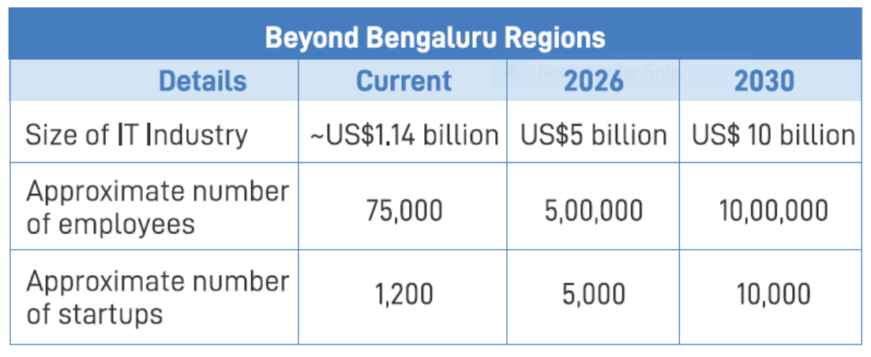
Beyond Bengaluru Workings (As per Beyond Bengaluru Report)

Total Revenue | 2020-21 | 2021-22 | 2022-23 | 2023-24 | 2024-25 | 2025-26 | 2026-27 | 2027-28 | 2028-29 | 2029-30
In USD Bn $
Total Revenue | Beyond Bengaluru | Beyond Bengaluru | Beyond Bengaluru | Beyond Bengaluru | Beyond Bengaluru | Beyond Bengaluru | Beyond Bengaluru | Beyond Bengaluru | Beyond Bengaluru | Beyond Bengaluru

Size of IT Industry | 1.14 | 2.0 | 2.5 | 3.1 | 3.9 | 4.9 | 5.8 | 6.8 | 8.1 | 9.5
ESDM |  | 0.9 | 1.2 | 1.90 | 2.0 | 3.23 | 3.70 | 4.23 | 4.61 | 5.26
Startups |  | 0.08 | 0.10 | 0.12 | 0.13 | 0.20 | 0.23 | 0.26 | 0.30 | 0.47
Total | 1.14 | 2.90 | 3.72 | 5.14 | 6.05 | 8.11 | 9.70 | 11.32 | 12.98 | 14.79

Total Approximate number of employees
Total Employment | 2020-21 | 2021-22 | 2022-23 | 2023-24 | 2024-25 | 2025-26 | 2026-27 | 2027-28 | 2028-29 | 2029-30

Total Employment | Beyond Bengaluru | Beyond Bengaluru | Beyond Bengaluru | Beyond Bengaluru | Beyond Bengaluru | Beyond Bengaluru | Beyond Bengaluru | Beyond Bengaluru | Beyond Bengaluru | Beyond Bengaluru

IT Industry | 75000 | 131579 | 164474 | 205592 | 256990 | 321238 | 379703 | 448809 | 530492 | 627042
ESDM |  | 60000 | 81151 | 126901 | 133967 | 215723 | 246892 | 282321 | 307689 | 351050
Startups |  | 100000 | 125000 | 143750 | 165313 | 250000 | 287500 | 330625 | 380219 | 587500
Total | 75000 | 291579 | 370624 | 476243 | 556269 | 786961 | 914094 | 1061755 | 1218400 | 1565592
Total (In Millions) | 0.075 | 0.29 | 0.37 | 0.48 | 0.56 | 0.79 | 0.91 | 1.06 | 1.22 | 1.57

Sheet1
Revenue (In USD Bn) | 11
Employment (In Millions) | 0.2
Number of Unicorns | 100
Revenue (In USD Bn) | 11
Employment (In Millions) | 0.2
Number of Unicorns | 100

Revenue (In USD Bn) | 0.2
Employment (In Millions) | 0.25

Sheet2
 | 2021-22 | 2022-23 | 2026-27 | 2029-30
India | 400 | 500 | 1000 | 3000
Karnataka | 110 | 130 | 250 | 500

ESDM Sector
Investment estimation for ESDM sector (Generate revenue in US $ Bn)
2021-22 Data
Total Revenue on investment India level |  |  |  |  |  |  | ESDM Estimation of values (2022-2030)
In USD Bn $
Total Revenue | India | Karnataka |  | Beyond Bengaluru |  | Bangalore | (In Bn $ USD) | 2022-23 |  |  | 2023-24 |  |  | 2024-25 |  |  | 2025-26 |  |  | 2026-27 |  |  | 2030-31
ESDM Revenue (Excluding Consumer electronics) | 79.5 | 15.9 |  | 0.8 |  | 15.1 | Revenue | India | Karnataka | Beyond Bengaluru | India | Karnataka | Beyond Bengaluru | India | Karnataka | Beyond Bengaluru | India | Karnataka | Beyond Bengaluru | India | Karnataka | Beyond Bengaluru | India | Karnataka | Beyond Bengaluru
Consumer electronics: |  | 0 |  | 0.0 |  | 0.0 | ESDM (Excluding cosumer electronics) | 101 | 20.2 | 1.0 | 133.50 | 26.7 | 1.3 | 171.50 | 34.30 | 1.7 | 277.00 | 55.4 | 2.8 | 310.24 | 62.05 | 3.1 | 488.17 | 97.63 | 4.9
Audio | 0.32 | 0.06 |  | 0.00 |  | 0.06 | (Includes Major ESDM apart from other inclusions which are separate)
Air Conditioners | 1.57 | 0.31 |  | 0.016 |  | 0.30
Refrigerators | 1.80 | 0.36 |  | 0.018 |  | 0.34
Televisions | 0.96 | 0.19 |  | 0.010 |  | 0.18
Washing Machines | 1.19 | 0.24 |  | 0.012 |  | 0.23
Semiconductor and Display Fab:
Semicon Fab |  | 0.00 |  | 0.000 |  | 0.00
Display Fab |  | 0.00 |  | 0.000 |  | 0.00
Compound Semiconductors (Sic Power Electronics Market) | 0.04 | 0.008 |  | 0.0004 |  | 0.008
Medtech (Medical Electronics) | 4.51 | 0.90 |  | 0.05 |  | 0.86
Electric Vehicles components | 0.80 | 0.16 |  | 0.01 |  | 0.15
Total ESDM Revenue | 89.89 | 17.98 | 0.00 | 0.90 | 0.00 | 17.08 | Other Inclusions to ESDM: |  |  |  |  |  | 0.0
 |  |  |  |  |  |  | Consumer Electronics: |  |  |  |  |  | 0.0
 |  |  |  |  |  |  | Audio | 0.41 | 0.08 | 0.004 | 0.51 | 0.10 | 0.005 | 0.61 | 0.12 | 0.006 | 0.76 | 0.15 | 0.008 | 0.85 | 0.17 | 0.009 | 1.34 | 0.27 | 0.013
Reference links for EV |  |  |  |  |  |  | Air Conditioners | 1.91 | 0.38 | 0.019 | 2.31 | 0.46 | 0.023 | 2.75 | 0.55 | 0.027 | 3.31 | 0.66 | 0.033 | 3.70 | 0.74 | 0.037 | 5.83 | 1.17 | 0.058
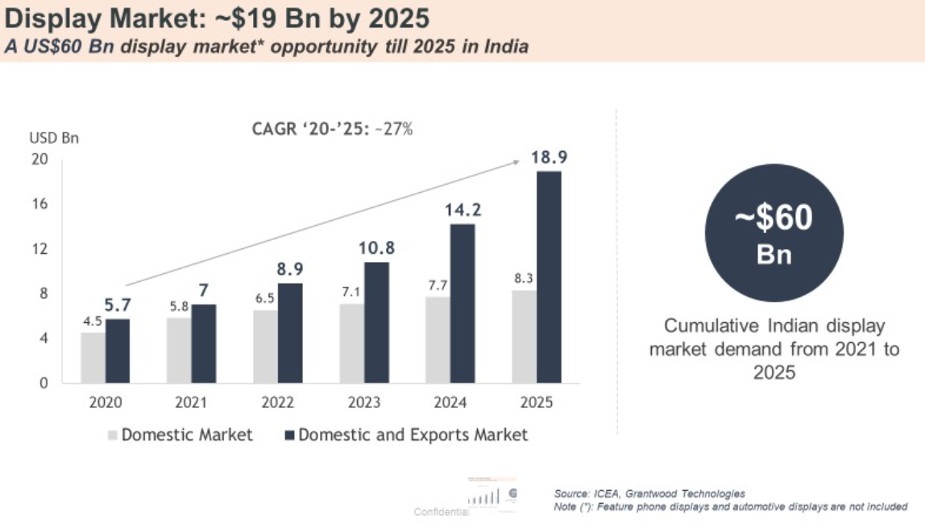
 |  |  |  |  |  |  | Refrigerators | 2.08 | 0.42 | 0.021 | 2.36 | 0.47 | 0.024 | 2.72 | 0.54 | 0.027 | 3.13 | 0.63 | 0.031 | 3.51 | 0.70 | 0.035 | 5.52 | 1.10 | 0.055
 |  |  |  |  |  |  | Televisions | 1.25 | 0.25 | 0.013 | 1.59 | 0.32 | 0.016 | 1.99 | 0.40 | 0.020 | 2.44 | 0.49 | 0.024 | 2.73 | 0.55 | 0.027 | 4.30 | 0.86 | 0.043
 |  |  |  |  |  |  | Washing Machines | 1.35 | 0.27 | 0.013 | 1.51 | 0.30 | 0.015 | 1.68 | 0.34 | 0.017 | 1.84 | 0.37 | 0.018 | 2.06 | 0.41 | 0.021 | 3.24 | 0.65 | 0.032
 |  |  |  |  |  |  | Semiconductor and Display Fab:
 |  |  |  |  |  |  | Semicon Fab | 0.00 | 0.00 | 0.000 | 0.00 | 0.00 | 0.000 | 0.00 | 0.00 | 0.000 | 0.90 | 0.90 | 0.045 | 1.13 | 1.13 | 0.06 | 5.13 | 5.13 | 0.26
 |  |  |  |  |  |  | Display Fab | 8.9 | 1.78 | 0.089 | 10.80 | 2.16 | 0.4 | 14.20 | 2.84 | 0.142 | 18.90 | 3.78 | 0.189 | 24.00 | 4.80 | 0.24 | 62.44 | 12.49 | 0.62
 |  |  |  |  |  |  | Compound Semiconductors (Sic Power Electronics Market) | 0.05 | 0.01 | 0.0005 | 0.06 | 0.012 | 0.00 | 0.08 | 0.02 | 0.001 | 0.09 | 0.02 | 0.001 | 0.11 | 0.02 | 0.00 | 0.25 | 0.05 | 0.00
 |  |  |  |  |  |  | Medtech (Medical Electronics) | 4.62 | 0.92 | 0.05 | 4.74 | 0.95 | 0.05 | 4.87 | 0.97 | 0.049 | 4.99 | 1.00 | 0.050 | 5.12 | 1.02 | 0.051 | 5.68 | 1.14 | 0.057
 |  |  |  |  |  |  | Electric Vehicles components | 0.97 | 0.19 | 0.01 | 1.19 | 0.24 | 0.012 | 1.45 | 0.29 | 0.014 | 1.77 | 0.35 | 0.018 | 2.16 | 0.43 | 0.022 | 4.78 | 0.96 | 0.048
 |  |  |  |  |  |  | Total | 121.57 | 24.31 | 1.22 | 157.37 | 31.47 | 1.90 | 200.39 | 40.08 | 2.00 | 313.37 | 63.39 | 3.17 | 353.46 | 71.59 | 3.58 | 581.90 | 120.48 | 6.02
 |  |  |  |  |  |  | TWS (Includes Wearables, hearables, Soundbars, portable BT speakers) | 0 | 0 | 0.0 | 0.04 | 0.01 | 0.002 | 0.08 | 0.02 | 0.003 | 1.55 | 0.31 | 0.062 | 2.98 | 0.60 | 0.119
 |  |  |  |  |  |  |  |  |  |  |  |  | 0.0
 |  |  |  |  |  |  |  |  |  |  |  |  | 0.0
 |  |  |  |  |  |  |  |  |  |  |  |  | 0.0
 |  |  |  |  |  |  | Total (Including TWS) | 121.57 | 24.31 | 1.22 | 157.41 | 31.48 | 1.90 | 200.47 | 40.09 | 2.01 | 314.92 | 63.70 | 3.23 | 356.44 | 72.19 | 3.70 | 581.90 | 120.48 | 6.02

Growth assumptions made for the calculation

 |  | Till the year 2025 | From the year 2025-2030
IT Exports and IT Domestic |  | 12% | 10%
Startups (India and Karnataka) |  | 40% | 25%
ESDM (India and Karnataka) |  | 15% | 12% | >> Karnataka revenue share considered at 20% of India value
Beyond Bengaluru |  | 20% | 15%

Sub sector workings
 |  | Workings for sub sectors of digital economy |  |  |  | https://www.xe.com/currencyconverter/convert/?Amount=366590000000&From=INR&To=USD

1. Government E-Market place
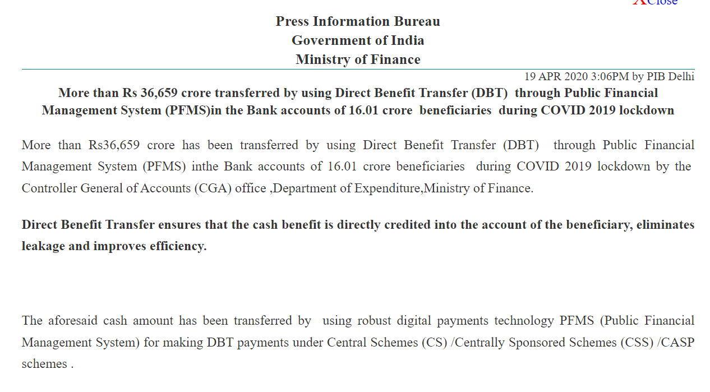
 |  |  | INR Bn | USD | USD Bn
 | 20-21 | 370000000000 | 370 | 4,723,306,385 | 4.72
 |  |  | 0
 | 21-22 | 1000000000000 | 1000 | 12,767,496,002 | 12.77

 | 22-23 | 1500000000000 | 1500 | 19,151,244,003 | 19.15

2. Direct Benefit transfer https://pib.gov.in/Pressreleaseshare.aspx?PRID=1616022

 |  |  | INR Bn | USD | USD Bn
 | 20-21 | 366590000000 | 366.59 | 4,678,495,659 | 4.68
 |  |  | 0
 | 21-22 |  |  |  | 5.66

